Page Layout
Project Name |  |  |  | Wow tasty |  | User Type |  |  |  |  | User |  |  |  | Writer | Hak Choi
Phase |  |  |  | Requirements programing design |  | Page Name |  |  |  |  | Restaurant Menu |  |  |  | Date | 11/20/2012

 | 1. Page layout

 |  | 1 ) Layout
 |  | - Initial layout
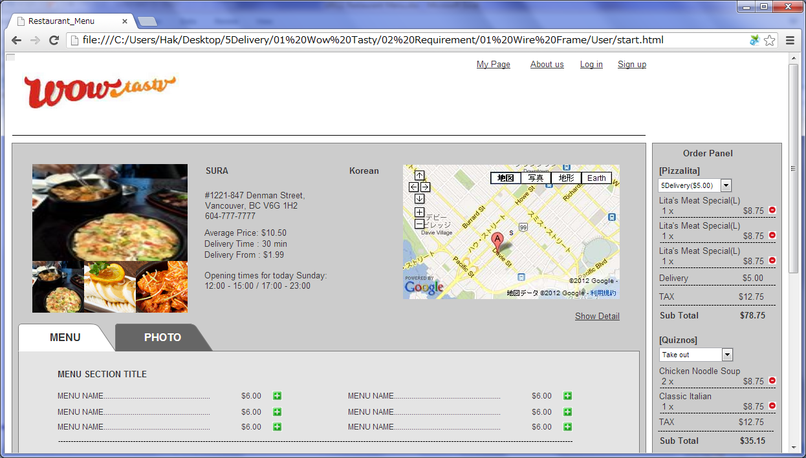

 |  | - Detail layout
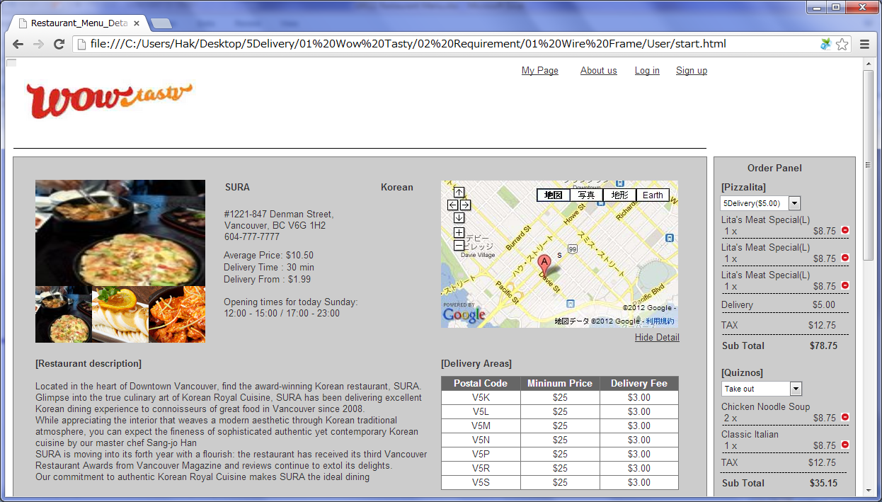

 |  | - Menu tab
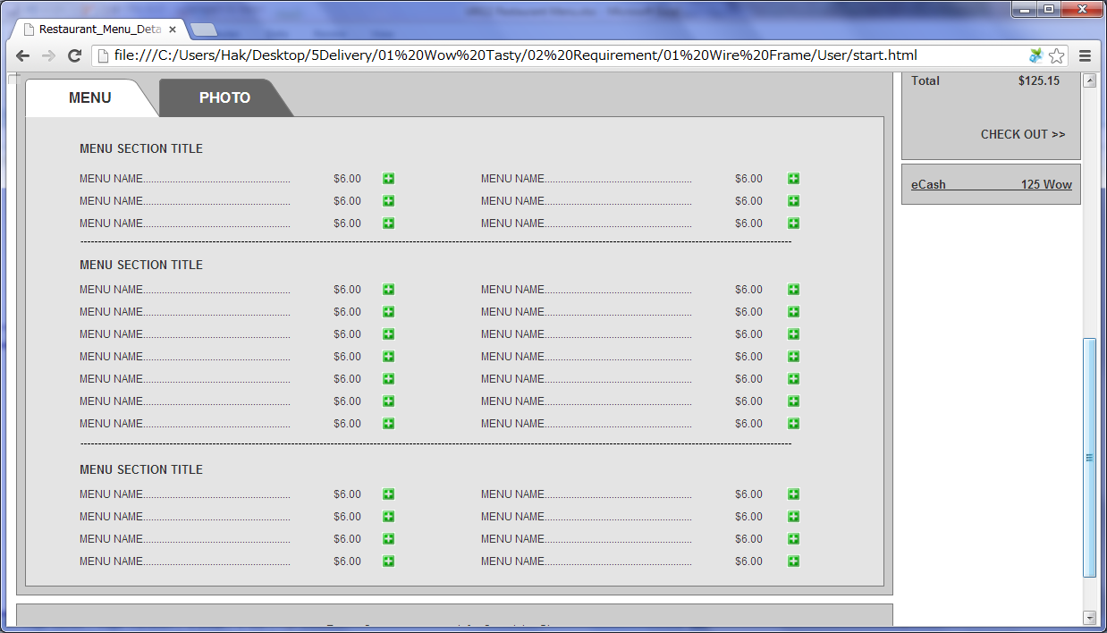

 |  | - Moseover on a menu
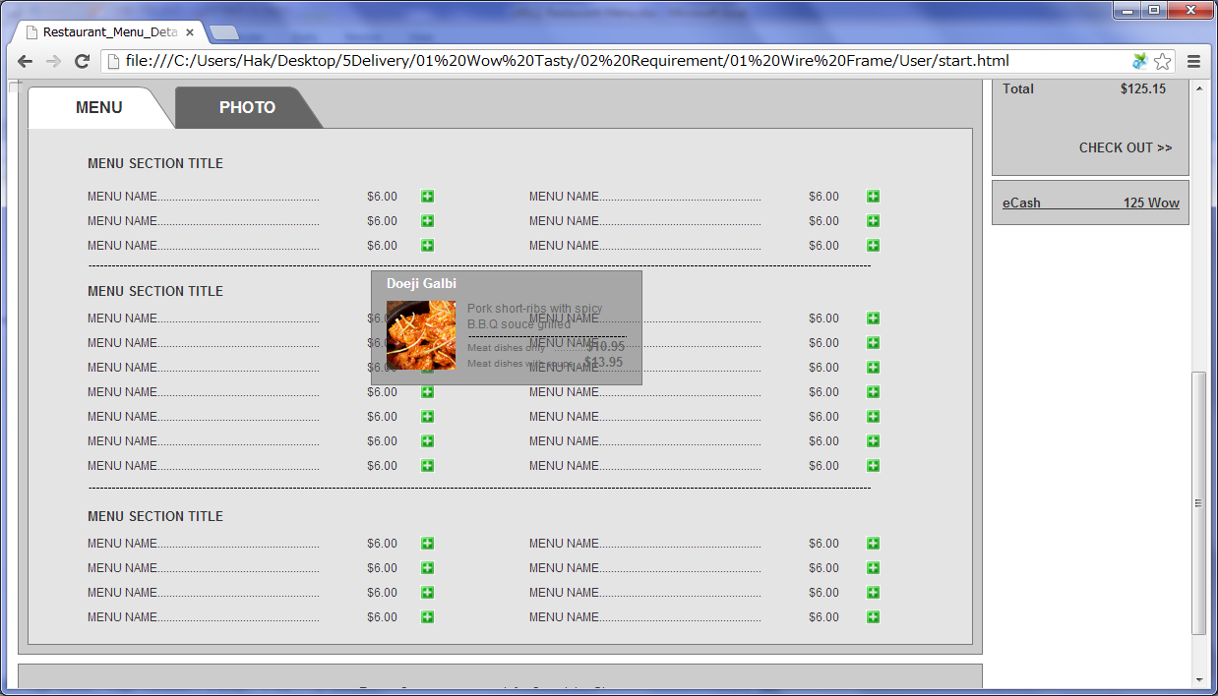

 |  | - Select Location
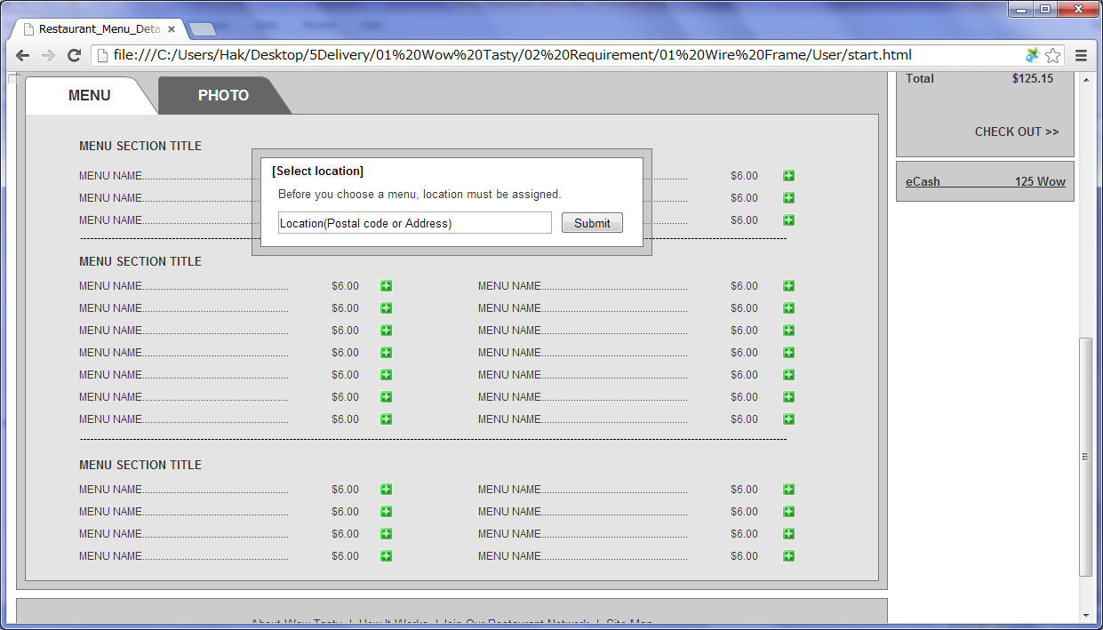

 |  | - After menu-add icon clicked
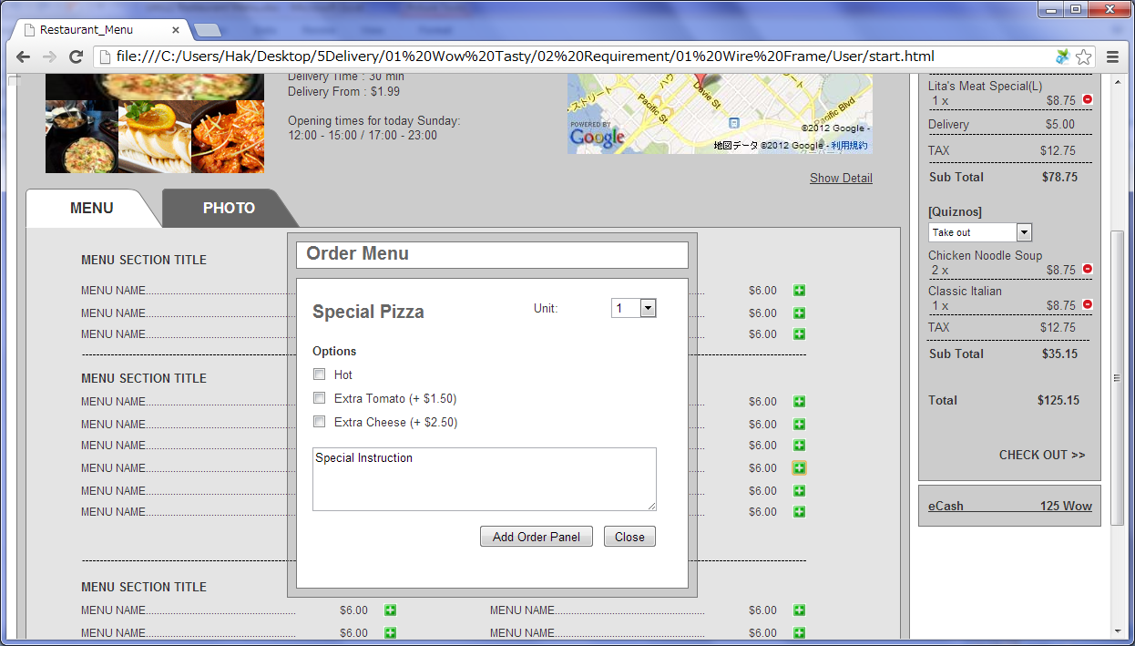

 |  | 2) Field list

 |  | No. | Name |  | Controller |  | Len | Align |  | Default |  | Note
 |  | Restaurant General Information
 |  | 1 | Restaurant Image1 |  | Image |  |  |  |  | Default Image |  | Restaurant 1st image
 |  | 2 | Restaurant Image2 |  | Image |  |  |  |  | Default Image |  | Restaurant 2st image
 |  | 3 | Restaurant Image3 |  | Image |  |  |  |  | Default Image |  | Restaurant 3st image
 |  | 4 | Restaurant Name |  | Label
 |  | 5 | Cuisine Type |  | Label
 |  | 6 | Address |  | Label
 |  | 7 | Telephone |  | Label
 |  | 8 | Average Price |  | Label
 |  | 9 | Restaurant Type |  | Label
 |  | 10 | Delivery Time |  | Label |  |  |  |  |  |  | In case of take out, don't show this.
 |  | 11 | Delivery From |  | Label |  |  |  |  |  |  | In case of take out, don't show this.
 |  | 12 | Opening time |  | Label
 |  | 13 | Google Map |  | Label
 |  | 14 | Show/Hide Detail |  | Link |  |  |  |  |  |  | Toggle for show/hide detail
 |  | Restaurant Detail Layer
 |  | 15 | Restaurant Profile |  | Label
 |  | 16 | Postal Code(Delivery Areas) |  | Label
 |  | 17 | Mininum Price(Delivery Areas) |  | Label
 |  | 18 | Delivery Fee(Delivery Areas) |  | Label
 |  | Menu List
 |  | 19 | Menu Category |  | Label
 |  | 20 | Menu Name |  | Label
 |  | 21 | Menu Unit Price |  | Label
 |  | 22 | Add Icon |  | Link
 |  | Menu description Layer
 |  | 23 | Menu Name(Menu description) |  | Label
 |  | 24 | Menu Thumbnail |  | Image
 |  | 25 | Menu Description |  | Label
 |  | 26 | Menu Price |  | Label
 |  | Order Menu Layer
 |  | 27 | Menu Name(Order Menu Panel) |  | Link
 |  | 28 | Unit |  | Drop Down |  |  |  |  |  | 1 | 1~20
 |  | 29 | Option |  | Check box |  |  |  |  | Unchecked |  | Only if a menu has options, show this.
 |  | 30 | Special Instruction |  | Textarea |  |  |  |  | Blank
 |  | 31 | Add Order Panel |  | Button
 |  | 32 | Close |  | Button
 |  | Order Panel
 |  | 33 | Restaurant Name |  | Link
 |  | 34 | Delivery Company List |  | Drop Down |  |  |  |  | 5Delivery or Take out |  | Delivery company list and "Take out"
 |  | 35 | Menu Name |  | Label
 |  | 36 | Menu Amount |  | Label |  |  |  |  |  | 1
 |  | 37 | Menu Price(without Tax) |  | Label |  |  |  |  | 0.00
 |  | 38 | Menu Delete Icon |  | Link
 |  | 39 | Delivery |  | Label |  |  |  |  |  |  | Only if delivery company chosen
 |  | 40 | Tax |  | Label |  |  |  |  | 0.00 |  | Total Tax
 |  | 41 | Sub Total |  | Label |  |  |  |  | 0.00 |  | Total of Restaurant(With Tax)
 |  | 42 | Total |  | Label |  |  |  |  | 0.00 |  | Total(With Tax)
 |  | 43 | Check out |  | Link
 |  | 44 | eCash |  | Link |  |  |  |  | 0

 |  | 3) Validation list

 |  | - Unit validation
 |  | No. | Name |  | Required | Type |  |  | Other |  |  |  |  | Error Message

 |  | - Correlation validation
 |  | No. | Condition |  | Field |  |  |  |  |  | Required |  | Other | Error message

Page Transition
Project Name |  |  |  |  | Wow tasty |  | User Type |  | User |  |  | Writer |  | Hak Choi
Phase |  |  |  |  | Requirements programing design |  | Page Name |  | Restaurant Menu |  |  | Date |  | 11/20/2012

 | 2. Page Transition

 |  | 1) Event List

 |  | No. | Name |  |  | Event |  | Condition |  | Destination page
 |  | 1 | Show Big Image |  |  | Click |  |  |  | Change the big Image to the clicked image
 |  | 2 | Show/Hide Detail |  |  | Click |  |  |  | Show/Hide [Restaurant Detail] layer
 |  | 3 | Menu description |  |  | Mouse Over |  |  |  | Show [Menu description] layer
 |  | 4 | Add Menu |  |  | Click |  |  |  | Show [Order Menu] layer
 |  | 5 |  |  |  |  |  | Search postal code is NOT selected |  | Show [Select Location] layer
 |  | 6 | Add Order Panel |  |  | Click |  |  |  | [Order Panel] layer
 |  | 7 | Close |  |  | Click |  |  |  | Hide [Order Menu] layer

 |  | 2) Page Transition |  |  |  |  |  |  |  |  |  |  | page |  | layer

1

4
6
2
 |  |  |  | Restaurant Detail |  |  | Restaurant Menu |  |  |  | Order Menu |  |  | Order Panel

7

5
3

 |  |  |  |  |  |  | Menu description |  |  |  | Select Location

